5x5
EVALUATE - HOW DO WE SCORE RISKS?
Once the existing controls have been evaluated you will need to score the risk. The Council has a 5 by 5 Risk Matrix which shows clearly what risks are red, amber or green. You must score each risk (1 to 5) for its impact if it were to actually happen and (1 to 5) for how likely it is to happen. This is the current risk.
Risk Score = (Likelihood score) X (Impact Score)
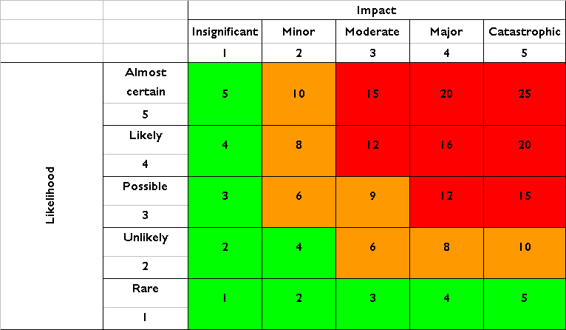
Likelihood Scores
1 = | Remote. (Less than 5% Chance)
2 = | Unlikely. (5% - 20% Chance)
3 = | Possible. (20% - 50% Chance)
4 = | Likely. (50 to 80%% Chance)
5 = | Almost certain. (> 80% Chance)

NOTE: You can estimate the likelihood scores by looking at previous occurrences of the risk.

Impact Scores
1 = | Insignificant
2 = | Minor
3 = | Moderate
4 = | Major
5 = | Catastrophic

EVALUATE – WHAT DO WE DO ONCE WE KNOW THE SCORE?
Once we identify the risk and have considered existing controls and given your risk a score we need to determine if any additional actions are required? The residual risk score is arrived at after taking into account any further mitigating actions that you/ we propose to take.
Overall Score | Status | Action to take
1 to 5 | Low | No action required, but should be reviewed at least quarterly
6 to 11 | Medium | No specific action but should be monitored and reviewed periodically to ensure it does not turn red quarterly
12 to 25 | Red | High level of risk should be monitored and reviewed at least monthly. Plans should be given high priority and contain urgent actions

When considering actions you need to look at the costs Vs Benefits
The costs and robustness of existing or additional controls needs to be balanced against the potential consequences if the event occurred. The cost of implementing and operating a control should not normally exceed the benefit.

4. EVALUATE - HOW DO I SCORE MY RISKS?
Once the existing controls have been evaluated you will need to score the risk. The Council has a 5 by 5 Risk Matrix which shows clearly what risks are red, amber or green. You must score each risk (1 to 5) for its impact if it were to actually happen and (1 to 5) for how likely it is to happen. This is the current risk.
Risk Score = (Likelihood score) X (Impact Score)
Likelihood Scores
1 =

